Call out page
PPK #/Size range: | 381877/Size#32X32 Classic FIT | Season: | Spring 2026 | Sample Stage: | Fit sample
Supplier Name: | Raymond America | Measurer: | Akhil | Date: | 26-Sep-25
FIT IMAGE
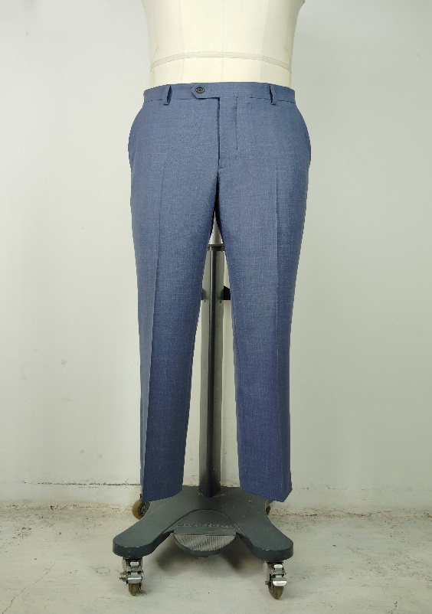 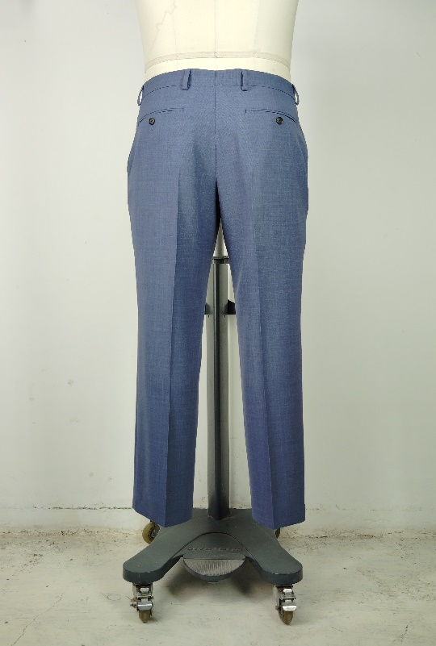 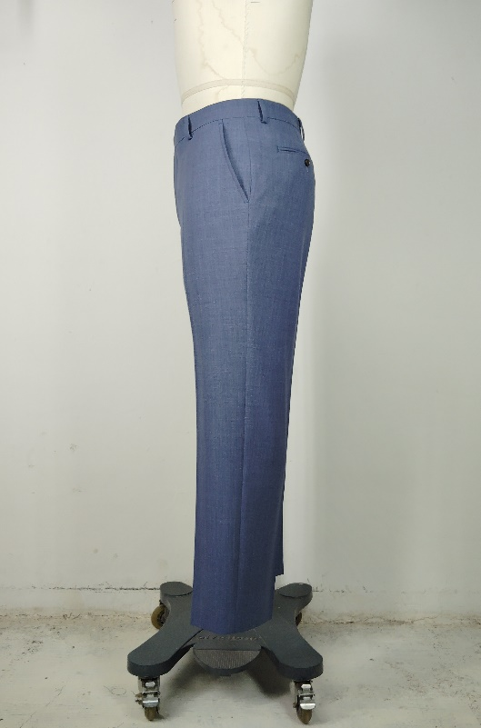

FACTORY FIT/MEASUREMENT/CONSTRUCTION/WORKMANSHIP COMMENT
1
2
3
4
5
6
7
8
9
10
WRITTEN CPA (FOR REG SIZE FIT KEEP/ PP SAMPLE SUBMISSION ONLY)

SKETCH/CONSTRUCTION/GRADING ISSUE

Pattern screen or overlay
